Sheet1
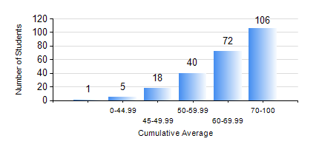
 |  |  | KWAME NKRUMAH UNIVERSITY OF SCIENCE AND TECHNOLOGY, KUMASI Department of Civil Engineering

 |  |  | BSC. CIVIL ENG.

 |  |  | COMPREHENSIVE RECORD OF EXAMINATION RESULTS

 |  |  | RESULTS OF YEAR 2 FIRST SEMESTER, 2024/2025 ACADEMIC YEAR

 | Sn | Course Code |  | Course Name | Credit Hours | Min. Mark | Max. Mark | Avg. Mark | Std. Dev. | No. Passed | No. Trailed | No. (Df) | No. (I) | No. (I*) | No. Tagged(I,I*,Df) | Total
 | 0. |  |  |  |  |  |  | 0 | 0 | 0 | 0 | 0 | 0 | 0 | 0 | 15
 | 1. | CE 251 |  | STRENGTH OF MATERIALS | 2 | 0 | 97 | 60 | 19.23 | 198 | 29 | 0 | 0 | 0 | 0 | 227
 | 2. | CE 255 |  | THEORY OF STRUCTURES | 3 | 23 | 100 | 66 | 20.81 | 209 | 18 | 0 | 0 | 0 | 0 | 227
 | 3. | CE 257 |  | COMPUTER PROGRAMMING | 2 | 13 | 97 | 73 | 13.73 | 222 | 5 | 0 | 0 | 0 | 0 | 227
 | 4. | CE 259 |  | ENGINEERING GEOLOGY | 2 | 16 | 90 | 58 | 15.45 | 210 | 17 | 0 | 0 | 0 | 0 | 227
 | 5. | CE 271 |  | ENGINEERING REPORTING | 2 | 15 | 96 | 65 | 18.07 | 212 | 15 | 0 | 0 | 0 | 0 | 227
 | 6. | CENG 291 |  | ENGINEERING IN SOCIETY | 2 | 34 | 84 | 64 | 8.65 | 226 | 1 | 0 | 0 | 0 | 0 | 227
 | 7. | MATH 251 |  | DIFFERENTIAL EQUATIONS | 4 | 25 | 84 | 60 | 11.6 | 224 | 3 | 0 | 0 | 0 | 0 | 227

